Instructions
INSTRUCTIONS

To maximize the use of this template, please take the time to read through the instructions found in this sheet. Here, you will see the function of each tab and learn more about the different terminologies used in the template. If you have any questions or concerns, please just reach out to me on Etsy, and I will get back to you as soon as possible. Thank you so much for including The Weekly Crew as part of your personal finance journey! I hope this template helps you reach your financial goals! Wishing you all the best! :)

 | J U M P T O I N S T R U C T I O N S |  | Q U I C K H E L P & E X A M P L E S

 | BUDGET TAB |  | VIEW EXAMPLE SPREADSHEET see how the template works with pre-filled data

 | FAQs |  | WATCH YOUTUBE TUTORIAL step-by-step walkthrough

 | IMPORT TRANSACTIONS FROM A CSV FILE |  | CONTACT SUPPORT message us if you still need help

PLEASE NOTE

please keep this in mind when using the template

 | PLEASE DO NOT EDIT CELLS WITH A BACKGROUND COLOR
 | Any changes made to these cells will show a warning before allowing you to edit the cell. Please refrain from altering these cells to avoid inaccuracies in the template. Only edit cells with this background:

 | you may edit cells with this background color

 | REMOVING THE PROTECTION ON THE TABS
 | If you want to get rid of the sheet protection, please go to Review > Unprotect Sheet. No password is needed to unprotect the sheet. I highly advise against this, however! Altering or removing formulas in the spreadsheet will change how it works.

BUDGETING FOR THE NEXT PERIOD

 | Simply duplicate the Budget tab by right-clicking on the tab name and selecting Move or Copy. In the pop-up window, make sure to check Create a copy. Delete the previous budget's transactions and customize your categories and budget if necessary! You may also rename the new Budget tab to the period you are budgeting for (e.g. Jan, Feb, Mar, etc.)

BUDGET TAB

budget for your income, expenses, bills, debt payments, and savings & investments

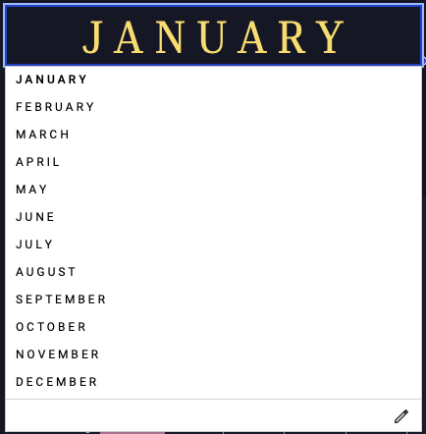

 |  | STEP 1. SELECT THE MONTH FROM THE DROPDOWN
 |  | Click on the month name and select the month you are budgeting for through the dropdown menu.

 |  | IF YOU ARE BUDGETING BY WEEK OR BY PAYCHECK, YOU MAY SELECT THE MONTH IN WHICH MOST OF YOUR BUDGET COVERS.

 |  | STEP 2. ENTER YOUR BUDGET PERIOD
 |  | Enter the dates you are budgeting for. The field on the left (i.e. 01 Jan 2023 in the photo) corresponds to the Start Date, while the field on the right (i.e. 15 Jan 2023 in the photo) corresponds to the End Date. The Budget Period section is for your reference only and is not linked to any part of the template.

 |  | STEP 3. SET THE CURRENCY OF THE ENTIRE TEMPLATE
 |  | Just below the month name, you may enter your currency symbol to change the currency of the entire template. By default, the template's currency is set to dollar. You may also copy one of the symbols here and double-click on the currency field to change the currency: £ € ¥ ₱ ฿ ₩ ₹ ₫ ₺

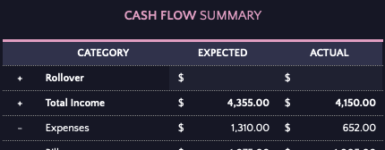

 |  | STEP 4. ENTER YOUR ROLLOVER AMOUNT (optional)
 |  | If you have any amounts leftover from your previous month's budget, you may enter it in the Cash Flow Summary table. This would automatically include the rollover amount for the current month's budget.

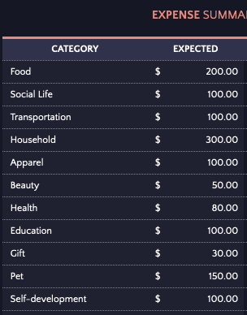
 |  | STEP 5. CUSTOMIZE YOUR CATEGORIES
 |  | Under each of the Summary tables (Income, Expense, Debt, Bills, and Savings & Investments), you may customize your categories under the Category column. The template already includes the most common categories, but you may delete these and enter in your own custom categories.

 |  | STEP 6. ENTER YOUR BUDGET FOR EACH CATEGORY
 |  | Under the Expected column of each Summary table, enter in your expected amount. This can also be referred to as your budget. Income Example You expect to receive a total of $3,000 for Paychecks this month. Write down $3,000 under the Expected column for the category "Paychecks." Expense Example You are allotting $500 for Groceries this month. Enter in $500 under the Expected column for the category "Groceries." Debt Example You are expecting to pay $300 for your Personal Loan this month. Enter in $300 under the Expected column for the category "Personal Loan."

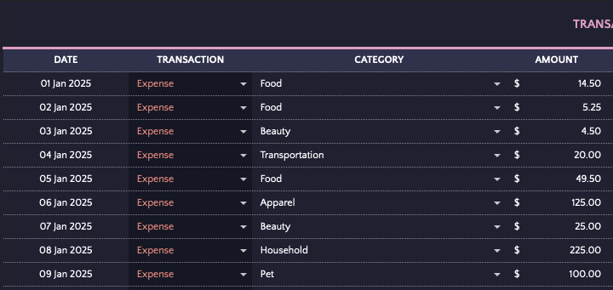
 |  | STEP 7. RECORD YOUR ACTUAL TRANSACTIONS
 |  | Scroll to the bottom of the Budget tab to locate the Transactions List. This is where you record all your Actual income, expenses, bills, debt payments, and savings & investments. All transactions entered into this table will automatically be added to the Actual column of the respective Summary tables (i.e. All Expense Transactions will auto-populate to the Actual column of the Expense Summary table). The required fields when entering transactions are: 1. Transaction (Income, Expense, Debt, Bill, Savings, or Investment) 2. Category 3. Amount

 |  | YOU MAY ALSO COPY & PASTE TRANSACTIONS FROM YOUR BANK STATEMENTS. TO LEARN HOW TO IMPORT CSV FILES, PLEASE REFER TO THE FAQS SECTION.

 | D I F F E R E N T T R A N S A C T I O N T Y P E S

 | INCOME
 | Income can be summarized with the plus (+) sign. Any amount of money that goes into your accounts can be considered as income. This would include your paycheck, commissions, side hustle income, dividends, interest income, bonuses, and allowances.

 | EXPENSES
 | Expenses can be summarized with the minus (-) sign. Any amount of money that reduces your accounts can be considered as an expense. However, in this template, expenses would be anything that goes out of your accounts with the exception of bills. Expenses in this template would include your food, groceries, transportation, personal care, pet, travel, and social life expenses.

 | BILLS
 | Bills, in this template, can be categorized as recurring expenses that would have repercussions if not paid on time. Some examples of bills include electricity, water, gas, rent, and mobile plans. Please note, however, that in this template, credit card statements are not considered as bills. This is because credit cards are used to pay expenses which would have already been logged as a transaction. Including credit card payments as a bill would result in a double entry.

 | DEBT
 | Debt is anything that you owe to another. Common forms of debt include student loans, car loans, mortgages, and credit card debt.

 | SAVINGS & INVESTMENTS
 | Savings are money that is set aside for a future purpose. People usually save up for vacations, a new phone, home maintenance costs, downpayments, emergency funds, real estate investments, and even retirement. You may also use the Savings section to track investments, such as stocks, cryptocurrency, mutual funds, and index funds.

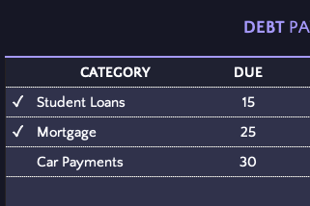
 |  | STEP 8. ENTER BILL & DEBT DUE DATES (optional)
 |  | Once you've customized your bill and debt categories, you may set up each one's due date under the Due column.

 |  | STEP 9. TRACK YOUR PAYMENTS
 |  | You may use the Budget tab to keep track of when you've paid a particular bill or debt. To do this, just tick on the checkbox beside the Category Name.

 |  | STEPS 8 & 9 ARE COMPLETELY OPTIONAL. THE CHECKBOX IS A VISUAL AID TO TRACK PAYMENTS AND IS NOT LINKED TO OTHER PARTS OF THE TEMPLATE.

 | GO BACK TO TOP

FREQUENTLY ASKED QUESTIONS

see if any of your questions are answered here!

1. | I CAN'T EDIT ANY OF THE CELLS. I KEEP GETTING A POP-UP MESSAGE. IS THIS NORMAL?
 | Yes, this is completely normal! The protection on the sheet is to prevent cells with formulas from being edited accidentally. However, I've put exceptions on cells you're supposed to edit. As a general rule, only edit the cells with a gray background. Cells with a colored background would have formulas in them and shouldn't be edited! If you want to get rid of this feature, please go to Review > Unprotect Sheet. No password is needed to unprotect the sheet. I highly advise against this, however! Altering or removing formulas in the spreadsheet will change how it works!

2. | CAN I ADD MORE TRANSACTIONS ROWS?
 | Yes, you definitely can! To do this, first unprotect the Budget tab by going to Review > Unprotect Sheet. Next, please go to the Transactions List in the Budget tab and select an entire row near the end of the table and right-click on your mouse to select Insert. You can select multiple rows and repeat the process to speed up the process. If you encounter any difficulties with this, please just reach out to me on Etsy, and I'll be glad to do it for you!

3. | CAN I ADD MORE CATEGORIES TO THE SETUP TAB?
 | Yes, you can definitely add more categories to the spreadsheet! However, doing so will entail altering the formulas, so please leave me a message on Etsy! I'll gladly add more rows for you!

TROUBLESHOOTING THE SPREADSHEET

here are some common concerns about the template

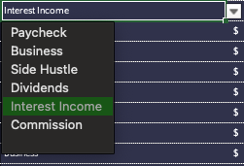

 |  | CONCERN: THE CATEGORIES ARE NOT SHOWING IN THE DROPDOWN
 |  | This usually happens when the dropdown menu is not scrolled to the top. Please try scrolling to the top and see if the categories appear. If it still does not appear, please check the Sample Spreadsheet and see if the issue occurs there as well. If so, please reach out to me on Etsy, and I'll make sure to sort things out!

IMPORT TRANSACTIONS FROM A CSV FILE

extract your transactions from your bank statements instead of manually entering data

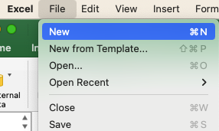
 |  | STEP 1. CREATE A NEW WORKBOOK
 |  | Go to File > New and a blank workbook will appear.

 |  | STEP 2. SELECT YOUR CSV FILE
 |  | On the Data tab, click on Get External Data and select From Text. From there, select your csv file and click on Import. Another pop-up window will appear.

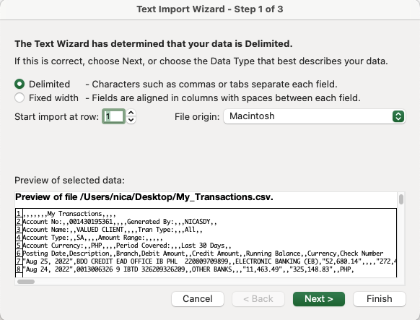

 |  | STEP 3. CONFIGURE YOUR CSV FILE
 |  | a.. Select Delimited in the options and click on Next. b. Choose the delimiter used in your data. In a csv file, this is typically a Comma. Please check the preview to see if the data is showing up correctly. After checking, click on Next. c. Select General and click on Finish.

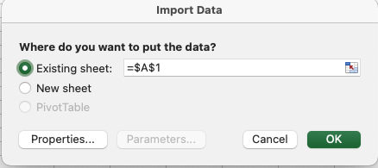
 |  | STEP 4. CHOOSE WHERE TO PUT YOUR DATA
 |  | You can choose to put your data in an existing sheet or in a new sheet. I would suggest placing it in a new sheet!

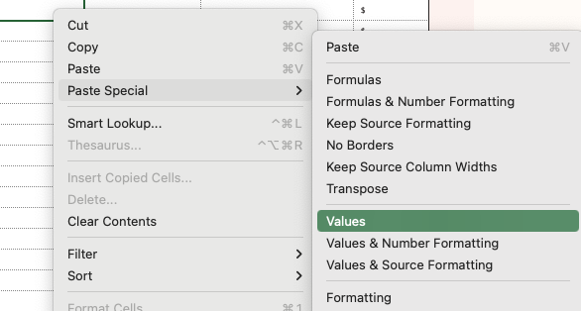
 |  | STEP 5. COPY YOUR DATA TO THE SPREADSHEET
 |  | Choose the columns you would like to copy to your spreadsheet and use the keyboard shortcut Ctrl + C (Windows) or Cmd + C (Mac) to copy the data. From there, go to your budget spreadsheet and paste the data by right-clicking on the first cell and selecting Paste Special > Values only (Important!) Repeat with all other columns and you're done!

 | STILL HAVE A QUESTION?

 | Please just leave me a mail on trackkarstore@gmail.com! I will get back to you within 24 hours!

 | GO BACK TO TOP

Budget
J A N U A R Y

B U D G E T P L A N N E R D A S H B O A R D |  |  |  |  |  | I N C O M E |  |  | E X P E N S E S & B I L L S |  |  |  | D E B T P A Y M E N T S |  |  |  | S A V I N G S
 |  |  |  |  |  | 0.00 |  |  | 0.00 |  |  |  | 0.00 |  |  |  | 0.00
BUDGET PERIOD |  |  | 2025-01-01 | to | 2025-01-30
SET CURRENCY |  |  | $

C A S H F L O W S U M M A R Y
I N C O M E B R E A K D O W N
A C T U A L A L L O C A T I O N S U M M A R Y

CASH FLOW SUMMARY |  |  |  |  |  | EXPENSE SUMMARY |  |  |  |  |  | BILL TRACKER

 | CATEGORY | EXPECTED |  | ACTUAL |  | CATEGORY | EXPECTED |  | ACTUAL |  | PROGRESS |  | CATEGORY | DUE | EXPECTED |  | ACTUAL |  | PROGRESS
+ | Rollover | $ |  | $ |  | Food | $ |  | $ | - |  | ✓ | Internet | 8 | $ |  | $ | -
+ | Total Income | $ | - | $ | - | Social Life | $ |  | $ | - |  |  | Electricity |  | $ |  | $ | -
- | Expenses | $ | - | $ | - | Transportation | $ |  | $ | - |  |  | Water |  | $ |  | $ | -
- | Bills | $ | - | $ | - | Household | $ |  | $ | - |  |  | Mobile |  | $ |  | $ | -
- | Debt | $ | - | $ | - | Apparel | $ |  | $ | - |  |  | Life Insurance |  | $ |  | $ | -
- | Savings | $ | - | $ | - | Beauty | $ |  | $ | - |  |  | Health Insurance |  | $ |  | $ | -
TOTAL LEFTOVER |  | $ | - | $ | - | Health | $ |  | $ | - |  |  | City Garbage |  | $ |  | $ | -
 |  |  |  |  |  | Education | $ |  | $ | - |  |  | Gas |  | $ |  | $ | -
INCOME SUMMARY |  |  |  |  |  | Gift | $ |  | $ | - |  |  |  |  | $ |  | $ | -
 |  |  |  |  |  | Pet | $ |  | $ | - |  |  |  |  | $ |  | $ | -
CATEGORY |  | EXPECTED |  | ACTUAL |  | Self-development | $ |  | $ | - |  |  |  |  | $ |  | $ | -
Paycheck |  | $ |  | $ | - |  | $ |  | $ | - |  |  |  |  | $ |  | $ | -
Business |  | $ |  | $ | - |  | $ |  | $ | - |  |  |  |  | $ |  | $ | -
Side Hustle |  | $ |  | $ | - |  | $ |  | $ | - |  |  |  |  | $ |  | $ | -
Dividends |  | $ |  | $ | - |  | $ |  | $ | - |  |  |  |  | $ |  | $ | -
Interest Income |  | $ |  | $ | - |  | $ |  | $ | - |  |  |  |  | $ |  | $ | -
Commission |  | $ |  | $ | - |  | $ |  | $ | - |  |  |  |  | $ |  | $ | -
 |  | $ |  | $ | - |  | $ |  | $ | - |  |  |  |  | $ |  | $ | -
 |  | $ |  | $ | - |  | $ |  | $ | - |  |  |  |  | $ |  | $ | -
 |  | $ |  | $ | - |  | $ |  | $ | - |  |  |  |  | $ |  | $ | -
 |  | $ |  | $ | - |  | $ |  | $ | - |  |  |  |  | $ |  | $ | -
 |  | $ |  | $ | - |  | $ |  | $ | - |  |  |  |  | $ |  | $ | -
 |  | $ |  | $ | - |  | $ |  | $ | - |  |  |  |  | $ |  | $ | -
TOTAL INCOME |  | $ | - | $ | - |  | $ |  | $ | - |  |  |  |  | $ |  | $ | -
 |  |  |  |  |  |  | $ |  | $ | - |  |  |  |  | $ |  | $ | -
 |  |  |  |  |  |  | $ |  | $ | - |  |  |  |  | $ |  | $ | -
A M O U N T L E F T T O S P E N D |  |  |  |  |  |  | $ |  | $ | - |  |  |  |  | $ |  | $ | -
0.00 |  |  |  |  |  |  | $ |  | $ | - |  |  |  |  | $ |  | $ | -
 |  |  |  |  |  |  | $ |  | $ | - |  |  |  |  | $ |  | $ | -
 |  |  |  |  |  |  | $ |  | $ | - |  |  |  |  | $ |  | $ | -
O N T R A C K |  |  |  |  |  | TOTAL | $ | - | $ | - |  | TOTAL |  |  | $ | - | $ | -

 |  |  |  |  |  | SAVINGS TRACKER |  |  |  |  |  | DEBT PAYMENTS TRACKER

W H E R E M Y M O N E Y W E N T
 |  |  |  |  |  | CATEGORY | EXPECTED |  | ACTUAL |  | PROGRESS |  | CATEGORY | DUE | EXPECTED |  | ACTUAL |  | PROGRESS
 |  |  |  |  |  | Travel Fund | $ |  | $ | - |  | ✓ | Student Loans | 15 | $ |  | $ | -
 |  |  |  |  |  | Wedding Fund | $ |  | $ | - |  | ✓ | Mortgage |  | $ |  | $ | -
 |  |  |  |  |  | Car Fund | $ |  | $ | - |  |  | Car Payments |  | $ |  | $ | -
 |  |  |  |  |  | Stocks | $ |  | $ | - |  |  |  |  | $ |  | $ | -
 |  |  |  |  |  | Mutual Funds | $ |  | $ | - |  |  |  |  | $ |  | $ | -
 |  |  |  |  |  | Cryptocurrency | $ |  | $ | - |  |  |  |  | $ |  | $ | -
 |  |  |  |  |  |  | $ |  | $ | - |  |  |  |  | $ |  | $ | -
 |  |  |  |  |  |  | $ |  | $ | - |  |  |  |  | $ |  | $ | -
TOP 20 SPENDING CATEGORIES |  |  |  |  |  |  | $ |  | $ | - |  |  |  |  | $ |  | $ | -
 |  |  |  |  |  |  | $ |  | $ | - |  |  |  |  | $ |  | $ | -
CATEGORY |  | AMOUNT |  | PERCENTAGE |  |  | $ |  | $ | - |  |  |  |  | $ |  | $ | -
1 |  | $ | - |  |  |  | $ |  | $ | - |  |  |  |  | $ |  | $ | -
2 |  | $ | - |  |  |  | $ |  | $ | - |  |  |  |  | $ |  | $ | -
3 |  | $ | - |  |  |  | $ |  | $ | - |  |  |  |  | $ |  | $ | -
4 |  | $ | - |  |  |  | $ |  | $ | - |  |  |  |  | $ |  | $ | -
5 |  | $ | - |  |  |  | $ |  | $ | - |  |  |  |  | $ |  | $ | -
6 |  | $ | - |  |  |  | $ |  | $ | - |  |  |  |  | $ |  | $ | -
7 |  | $ | - |  |  |  | $ |  | $ | - |  |  |  |  | $ |  | $ | -
8 |  | $ | - |  |  |  | $ |  | $ | - |  |  |  |  | $ |  | $ | -
9 |  | $ | - |  |  |  | $ |  | $ | - |  |  |  |  | $ |  | $ | -
10 |  | $ | - |  |  |  | $ |  | $ | - |  |  |  |  | $ |  | $ | -
11 |  | $ | - |  |  |  | $ |  | $ | - |  |  |  |  | $ |  | $ | -
12 |  | $ | - |  |  |  | $ |  | $ | - |  |  |  |  | $ |  | $ | -
13 |  | $ | - |  |  |  | $ |  | $ | - |  |  |  |  | $ |  | $ | -
14 |  | $ | - |  |  |  | $ |  | $ | - |  |  |  |  | $ |  | $ | -
15 |  | $ | - |  |  |  | $ |  | $ | - |  |  |  |  | $ |  | $ | -
16 |  | $ | - |  |  |  | $ |  | $ | - |  |  |  |  | $ |  | $ | -
17 |  | $ | - |  |  |  | $ |  | $ | - |  |  |  |  | $ |  | $ | -
18 |  | $ | - |  |  |  | $ |  | $ | - |  |  |  |  | $ |  | $ | -
19 |  | $ | - |  |  |  | $ |  | $ | - |  |  |  |  | $ |  | $ | -
20 |  | $ | - |  |  | TOTAL | $ | - | $ | - |  | TOTAL |  |  | $ | - | $ | -

 | TRANSACTIONS LIST

 | DATE | TRANSACTION |  |  | CATEGORY |  | AMOUNT |  | DESCRIPTION
 |  |  |  |  |  |  | $
 |  |  |  |  |  |  | $
 |  |  |  |  |  |  | $
 |  |  |  |  |  |  | $
 |  |  |  |  |  |  | $
 |  |  |  |  |  |  | $
 |  |  |  |  |  |  | $
 |  |  |  |  |  |  | $
 |  |  |  |  |  |  | $
 |  |  |  |  |  |  | $
 |  |  |  |  |  |  | $
 |  |  |  |  |  |  | $
 |  |  |  |  |  |  | $
 |  |  |  |  |  |  | $
 |  |  |  |  |  |  | $
 |  |  |  |  |  |  | $
 |  |  |  |  |  |  | $
 |  |  |  |  |  |  | $
 |  |  |  |  |  |  | $
 |  |  |  |  |  |  | $
 |  |  |  |  |  |  | $
 |  |  |  |  |  |  | $
 |  |  |  |  |  |  | $
 |  |  |  |  |  |  | $
 |  |  |  |  |  |  | $
 |  |  |  |  |  |  | $
 |  |  |  |  |  |  | $
 |  |  |  |  |  |  | $
 |  |  |  |  |  |  | $
 |  |  |  |  |  |  | $
 |  |  |  |  |  |  | $
 |  |  |  |  |  |  | $
 |  |  |  |  |  |  | $
 |  |  |  |  |  |  | $
 |  |  |  |  |  |  | $
 |  |  |  |  |  |  | $
 |  |  |  |  |  |  | $
 |  |  |  |  |  |  | $
 |  |  |  |  |  |  | $
 |  |  |  |  |  |  | $
 |  |  |  |  |  |  | $
 |  |  |  |  |  |  | $
 |  |  |  |  |  |  | $
 |  |  |  |  |  |  | $
 |  |  |  |  |  |  | $
 |  |  |  |  |  |  | $
 |  |  |  |  |  |  | $
 |  |  |  |  |  |  | $
 |  |  |  |  |  |  | $
 |  |  |  |  |  |  | $
 |  |  |  |  |  |  | $
 |  |  |  |  |  |  | $
 |  |  |  |  |  |  | $
 |  |  |  |  |  |  | $
 |  |  |  |  |  |  | $
 |  |  |  |  |  |  | $
 |  |  |  |  |  |  | $
 |  |  |  |  |  |  | $
 |  |  |  |  |  |  | $
 |  |  |  |  |  |  | $
 |  |  |  |  |  |  | $
 |  |  |  |  |  |  | $
 |  |  |  |  |  |  | $
 |  |  |  |  |  |  | $
 |  |  |  |  |  |  | $
 |  |  |  |  |  |  | $
 |  |  |  |  |  |  | $
 |  |  |  |  |  |  | $
 |  |  |  |  |  |  | $
 |  |  |  |  |  |  | $
 |  |  |  |  |  |  | $
 |  |  |  |  |  |  | $
 |  |  |  |  |  |  | $
 |  |  |  |  |  |  | $
 |  |  |  |  |  |  | $
 |  |  |  |  |  |  | $
 |  |  |  |  |  |  | $
 |  |  |  |  |  |  | $
 |  |  |  |  |  |  | $
 |  |  |  |  |  |  | $
 |  |  |  |  |  |  | $
 |  |  |  |  |  |  | $
 |  |  |  |  |  |  | $
 |  |  |  |  |  |  | $
 |  |  |  |  |  |  | $
 |  |  |  |  |  |  | $
 |  |  |  |  |  |  | $
 |  |  |  |  |  |  | $
 |  |  |  |  |  |  | $
 |  |  |  |  |  |  | $
 |  |  |  |  |  |  | $
 |  |  |  |  |  |  | $
 |  |  |  |  |  |  | $
 |  |  |  |  |  |  | $
 |  |  |  |  |  |  | $
 |  |  |  |  |  |  | $
 |  |  |  |  |  |  | $
 |  |  |  |  |  |  | $
 |  |  |  |  |  |  | $
 |  |  |  |  |  |  | $
 |  |  |  |  |  |  | $
 |  |  |  |  |  |  | $
 |  |  |  |  |  |  | $
 |  |  |  |  |  |  | $
 |  |  |  |  |  |  | $
 |  |  |  |  |  |  | $
 |  |  |  |  |  |  | $
 |  |  |  |  |  |  | $
 |  |  |  |  |  |  | $
 |  |  |  |  |  |  | $
 |  |  |  |  |  |  | $
 |  |  |  |  |  |  | $
 |  |  |  |  |  |  | $
 |  |  |  |  |  |  | $
 |  |  |  |  |  |  | $
 |  |  |  |  |  |  | $
 |  |  |  |  |  |  | $
 |  |  |  |  |  |  | $
 |  |  |  |  |  |  | $
 |  |  |  |  |  |  | $
 |  |  |  |  |  |  | $
 |  |  |  |  |  |  | $
 |  |  |  |  |  |  | $
 |  |  |  |  |  |  | $
 |  |  |  |  |  |  | $
 |  |  |  |  |  |  | $
 |  |  |  |  |  |  | $
 |  |  |  |  |  |  | $
 |  |  |  |  |  |  | $
 |  |  |  |  |  |  | $
 |  |  |  |  |  |  | $
 |  |  |  |  |  |  | $
 |  |  |  |  |  |  | $
 |  |  |  |  |  |  | $
 |  |  |  |  |  |  | $
 |  |  |  |  |  |  | $
 |  |  |  |  |  |  | $
 |  |  |  |  |  |  | $
 |  |  |  |  |  |  | $
 |  |  |  |  |  |  | $
 |  |  |  |  |  |  | $
 |  |  |  |  |  |  | $
 |  |  |  |  |  |  | $
 |  |  |  |  |  |  | $
 |  |  |  |  |  |  | $
 |  |  |  |  |  |  | $
 |  |  |  |  |  |  | $
 |  |  |  |  |  |  | $
 |  |  |  |  |  |  | $
 |  |  |  |  |  |  | $
 |  |  |  |  |  |  | $
 |  |  |  |  |  |  | $
 |  |  |  |  |  |  | $
 |  |  |  |  |  |  | $
 |  |  |  |  |  |  | $
 |  |  |  |  |  |  | $
 |  |  |  |  |  |  | $
 |  |  |  |  |  |  | $
 |  |  |  |  |  |  | $
 |  |  |  |  |  |  | $
 |  |  |  |  |  |  | $
 |  |  |  |  |  |  | $
 |  |  |  |  |  |  | $
 |  |  |  |  |  |  | $
 |  |  |  |  |  |  | $
 |  |  |  |  |  |  | $
 |  |  |  |  |  |  | $
 |  |  |  |  |  |  | $
 |  |  |  |  |  |  | $
 |  |  |  |  |  |  | $
 |  |  |  |  |  |  | $
 |  |  |  |  |  |  | $
 |  |  |  |  |  |  | $
 |  |  |  |  |  |  | $
 |  |  |  |  |  |  | $
 |  |  |  |  |  |  | $
 |  |  |  |  |  |  | $
 |  |  |  |  |  |  | $
 |  |  |  |  |  |  | $
 |  |  |  |  |  |  | $
 |  |  |  |  |  |  | $
 |  |  |  |  |  |  | $
 |  |  |  |  |  |  | $
 |  |  |  |  |  |  | $
 |  |  |  |  |  |  | $
 |  |  |  |  |  |  | $
 |  |  |  |  |  |  | $
 |  |  |  |  |  |  | $
 |  |  |  |  |  |  | $
 |  |  |  |  |  |  | $
 |  |  |  |  |  |  | $
 |  |  |  |  |  |  | $
 |  |  |  |  |  |  | $
 |  |  |  |  |  |  | $
 |  |  |  |  |  |  | $
 |  |  |  |  |  |  | $
 |  |  |  |  |  |  | $
 |  |  |  |  |  |  | $
 |  |  |  |  |  |  | $
 |  |  |  |  |  |  | $
 |  |  |  |  |  |  | $
 |  |  |  |  |  |  | $
 |  |  |  |  |  |  | $
 |  |  |  |  |  |  | $
 |  |  |  |  |  |  | $
 |  |  |  |  |  |  | $
 |  |  |  |  |  |  | $
 |  |  |  |  |  |  | $
 |  |  |  |  |  |  | $
 |  |  |  |  |  |  | $
 |  |  |  |  |  |  | $
 |  |  |  |  |  |  | $
 |  |  |  |  |  |  | $
 |  |  |  |  |  |  | $
 |  |  |  |  |  |  | $
 |  |  |  |  |  |  | $
 |  |  |  |  |  |  | $
 |  |  |  |  |  |  | $
 |  |  |  |  |  |  | $
 |  |  |  |  |  |  | $
 |  |  |  |  |  |  | $
 |  |  |  |  |  |  | $
 |  |  |  |  |  |  | $
 |  |  |  |  |  |  | $
 |  |  |  |  |  |  | $
 |  |  |  |  |  |  | $
 |  |  |  |  |  |  | $
 |  |  |  |  |  |  | $
 |  |  |  |  |  |  | $
 |  |  |  |  |  |  | $
 |  |  |  |  |  |  | $
 |  |  |  |  |  |  | $
 |  |  |  |  |  |  | $
 |  |  |  |  |  |  | $
 |  |  |  |  |  |  | $
 |  |  |  |  |  |  | $
 |  |  |  |  |  |  | $
 |  |  |  |  |  |  | $
 |  |  |  |  |  |  | $
 |  |  |  |  |  |  | $
 |  |  |  |  |  |  | $
 |  |  |  |  |  |  | $
 |  |  |  |  |  |  | $
 |  |  |  |  |  |  | $
 |  |  |  |  |  |  | $
 |  |  |  |  |  |  | $
 |  |  |  |  |  |  | $
 |  |  |  |  |  |  | $
 |  |  |  |  |  |  | $
 |  |  |  |  |  |  | $
 |  |  |  |  |  |  | $
 |  |  |  |  |  |  | $
 |  |  |  |  |  |  | $
 |  |  |  |  |  |  | $
 |  |  |  |  |  |  | $
 |  |  |  |  |  |  | $
 |  |  |  |  |  |  | $
 |  |  |  |  |  |  | $
 |  |  |  |  |  |  | $
 |  |  |  |  |  |  | $
 |  |  |  |  |  |  | $
 |  |  |  |  |  |  | $
 |  |  |  |  |  |  | $
 |  |  |  |  |  |  | $
 |  |  |  |  |  |  | $
 |  |  |  |  |  |  | $
 |  |  |  |  |  |  | $
 |  |  |  |  |  |  | $
 |  |  |  |  |  |  | $
 |  |  |  |  |  |  | $
 |  |  |  |  |  |  | $
 |  |  |  |  |  |  | $
 |  |  |  |  |  |  | $
 |  |  |  |  |  |  | $
 |  |  |  |  |  |  | $
 |  |  |  |  |  |  | $
 |  |  |  |  |  |  | $
 |  |  |  |  |  |  | $
 |  |  |  |  |  |  | $
 |  |  |  |  |  |  | $
 |  |  |  |  |  |  | $
 |  |  |  |  |  |  | $
 |  |  |  |  |  |  | $
 |  |  |  |  |  |  | $
 |  |  |  |  |  |  | $
 |  |  |  |  |  |  | $
 |  |  |  |  |  |  | $
 |  |  |  |  |  |  | $
 |  |  |  |  |  |  | $
 |  |  |  |  |  |  | $
 |  |  |  |  |  |  | $
 |  |  |  |  |  |  | $
 |  |  |  |  |  |  | $
 |  |  |  |  |  |  | $
 |  |  |  |  |  |  | $
 |  |  |  |  |  |  | $
 |  |  |  |  |  |  | $
 |  |  |  |  |  |  | $
 |  |  |  |  |  |  | $
 |  |  |  |  |  |  | $
 |  |  |  |  |  |  | $
 |  |  |  |  |  |  | $
 |  |  |  |  |  |  | $
 |  |  |  |  |  |  | $
 |  |  |  |  |  |  | $
 |  |  |  |  |  |  | $
 |  |  |  |  |  |  | $
 |  |  |  |  |  |  | $
 |  |  |  |  |  |  | $
 |  |  |  |  |  |  | $
 |  |  |  |  |  |  | $
 |  |  |  |  |  |  | $
 |  |  |  |  |  |  | $
 |  |  |  |  |  |  | $
 |  |  |  |  |  |  | $
 |  |  |  |  |  |  | $
 |  |  |  |  |  |  | $
 |  |  |  |  |  |  | $
 |  |  |  |  |  |  | $
 |  |  |  |  |  |  | $
 |  |  |  |  |  |  | $
 |  |  |  |  |  |  | $
 |  |  |  |  |  |  | $
 |  |  |  |  |  |  | $
 |  |  |  |  |  |  | $
 |  |  |  |  |  |  | $
 |  |  |  |  |  |  | $
 |  |  |  |  |  |  | $
 |  |  |  |  |  |  | $
 |  |  |  |  |  |  | $
 |  |  |  |  |  |  | $
 |  |  |  |  |  |  | $
 |  |  |  |  |  |  | $
 |  |  |  |  |  |  | $
 |  |  |  |  |  |  | $
 |  |  |  |  |  |  | $
 |  |  |  |  |  |  | $
 |  |  |  |  |  |  | $
 |  |  |  |  |  |  | $
 |  |  |  |  |  |  | $
 |  |  |  |  |  |  | $
 |  |  |  |  |  |  | $
 |  |  |  |  |  |  | $
 |  |  |  |  |  |  | $
 |  |  |  |  |  |  | $
 |  |  |  |  |  |  | $
 |  |  |  |  |  |  | $
 |  |  |  |  |  |  | $
 |  |  |  |  |  |  | $
 |  |  |  |  |  |  | $
 |  |  |  |  |  |  | $
 |  |  |  |  |  |  | $
 |  |  |  |  |  |  | $
 |  |  |  |  |  |  | $
 |  |  |  |  |  |  | $
 |  |  |  |  |  |  | $
 |  |  |  |  |  |  | $
 |  |  |  |  |  |  | $
 |  |  |  |  |  |  | $
 |  |  |  |  |  |  | $
 |  |  |  |  |  |  | $
 |  |  |  |  |  |  | $
 |  |  |  |  |  |  | $
 |  |  |  |  |  |  | $
 |  |  |  |  |  |  | $
 |  |  |  |  |  |  | $
 |  |  |  |  |  |  | $
 |  |  |  |  |  |  | $
 |  |  |  |  |  |  | $
 |  |  |  |  |  |  | $
 |  |  |  |  |  |  | $
 |  |  |  |  |  |  | $
 |  |  |  |  |  |  | $
 |  |  |  |  |  |  | $
 |  |  |  |  |  |  | $
 |  |  |  |  |  |  | $
 |  |  |  |  |  |  | $
 |  |  |  |  |  |  | $
 |  |  |  |  |  |  | $
 |  |  |  |  |  |  | $
 |  |  |  |  |  |  | $
 |  |  |  |  |  |  | $
 |  |  |  |  |  |  | $
 |  |  |  |  |  |  | $
 |  |  |  |  |  |  | $
 |  |  |  |  |  |  | $
 |  |  |  |  |  |  | $
 |  |  |  |  |  |  | $
 |  |  |  |  |  |  | $
 |  |  |  |  |  |  | $
 |  |  |  |  |  |  | $
 |  |  |  |  |  |  | $
 |  |  |  |  |  |  | $
 |  |  |  |  |  |  | $
 |  |  |  |  |  |  | $
 |  |  |  |  |  |  | $
 |  |  |  |  |  |  | $
 |  |  |  |  |  |  | $
 |  |  |  |  |  |  | $
 |  |  |  |  |  |  | $
 |  |  |  |  |  |  | $
 |  |  |  |  |  |  | $
 |  |  |  |  |  |  | $
 |  |  |  |  |  |  | $
 |  |  |  |  |  |  | $
 |  |  |  |  |  |  | $
 |  |  |  |  |  |  | $
 |  |  |  |  |  |  | $
 |  |  |  |  |  |  | $
 |  |  |  |  |  |  | $
 |  |  |  |  |  |  | $
 |  |  |  |  |  |  | $
 |  |  |  |  |  |  | $
 |  |  |  |  |  |  | $
 |  |  |  |  |  |  | $
 |  |  |  |  |  |  | $
 |  |  |  |  |  |  | $
 |  |  |  |  |  |  | $
 |  |  |  |  |  |  | $
 |  |  |  |  |  |  | $
 |  |  |  |  |  |  | $
 |  |  |  |  |  |  | $
 |  |  |  |  |  |  | $
 |  |  |  |  |  |  | $
 |  |  |  |  |  |  | $
 |  |  |  |  |  |  | $
 |  |  |  |  |  |  | $
 |  |  |  |  |  |  | $
 |  |  |  |  |  |  | $
 |  |  |  |  |  |  | $
 |  |  |  |  |  |  | $
 |  |  |  |  |  |  | $
 |  |  |  |  |  |  | $
 |  |  |  |  |  |  | $
 |  |  |  |  |  |  | $
 |  |  |  |  |  |  | $
 |  |  |  |  |  |  | $
 |  |  |  |  |  |  | $
 |  |  |  |  |  |  | $
 |  |  |  |  |  |  | $
 |  |  |  |  |  |  | $
 |  |  |  |  |  |  | $
 |  |  |  |  |  |  | $
 |  |  |  |  |  |  | $
 |  |  |  |  |  |  | $
 |  |  |  |  |  |  | $
 |  |  |  |  |  |  | $
 |  |  |  |  |  |  | $
 |  |  |  |  |  |  | $
 |  |  |  |  |  |  | $
 |  |  |  |  |  |  | $
 |  |  |  |  |  |  | $
 |  |  |  |  |  |  | $
 |  |  |  |  |  |  | $
 |  |  |  |  |  |  | $
 |  |  |  |  |  |  | $
 |  |  |  |  |  |  | $
 |  |  |  |  |  |  | $
 |  |  |  |  |  |  | $
 |  |  |  |  |  |  | $
 |  |  |  |  |  |  | $
 |  |  |  |  |  |  | $
 |  |  |  |  |  |  | $
 |  |  |  |  |  |  | $
 |  |  |  |  |  |  | $
 |  |  |  |  |  |  | $
 |  |  |  |  |  |  | $
 |  |  |  |  |  |  | $
 |  |  |  |  |  |  | $
 |  |  |  |  |  |  | $
 |  |  |  |  |  |  | $
 |  |  |  |  |  |  | $
 |  |  |  |  |  |  | $
 |  |  |  |  |  |  | $
 |  |  |  |  |  |  | $
 |  |  |  |  |  |  | $
 |  |  |  |  |  |  | $
 |  |  |  |  |  |  | $
 |  |  |  |  |  |  | $
 |  |  |  |  |  |  | $
 |  |  |  |  |  |  | $
 |  |  |  |  |  |  | $
 |  |  |  |  |  |  | $
 |  |  |  |  |  |  | $
 |  |  |  |  |  |  | $
 |  |  |  |  |  |  | $
 |  |  |  |  |  |  | $
 |  |  |  |  |  |  | $
 |  |  |  |  |  |  | $
 |  |  |  |  |  |  | $
 |  |  |  |  |  |  | $
 |  |  |  |  |  |  | $
 |  |  |  |  |  |  | $
 |  |  |  |  |  |  | $
 |  |  |  |  |  |  | $
 |  |  |  |  |  |  | $
 |  |  |  |  |  |  | $
 |  |  |  |  |  |  | $
 |  |  |  |  |  |  | $
 |  |  |  |  |  |  | $

